Blatt1
Hochpass
 | Tiefpass |  |  |  |  |  | Hochpass

Ua/Ue in [dB]
f [Hz] | Ue [V] | Ua [V] | Δt [ms] | φ [°] | Ua/Ue [dB] | f [Hz] | Ue [V] | Ua [V] | Δt [ms] | φ [°] | Ua/Ue [dB]
1 | 5.00 | 4.90 | 2.72 | 0.90 | -0.18 | 1 | 5.00 | 0.09 | - | - | -34.89
5 | 5.00 | 4.90 | 0.24 | 0.70 | -0.18 | 5 | 5.00 | 0.10 | - | - | -33.98
10 | 5.00 | 4.90 | 0.12 | 0.40 | -0.18 | 10 | 5.00 | 0.12 | - | - | -32.40
20 | 5.00 | 4.90 | 0.02 | 0.10 | -0.18 | 20 | 5.00 | 0.16 | - | - | -29.90
50 | 5.00 | 4.90 | 0.10 | 2.00 | -0.18 | 50 | 5.00 | 0.28 | 3.90 | 71.10 | -25.04
100 | 5.00 | 4.90 | 0.14 | 4.90 | -0.18 | 100 | 5.00 | 0.52 | 2.10 | 75.00 | -19.66
200 | 5.00 | 4.82 | 0.16 | 11.00 | -0.32 | 200 | 5.00 | 1.05 | 1.12 | 80.00 | -13.56
500 | 5.00 | 4.42 | 0.15 | 26.00 | -1.07 | 500 | 5.00 | 2.13 | 0.36 | 61.00 | -7.41
1000 | 5.00 | 3.41 | 0.13 | 45.70 | -3.32 | 1000 | 5.00 | 3.53 | 0.13 | 45.00 | -3.02
5000 | 5.00 | 1.49 | 0.46 | 82.00 | -10.52 | 5000 | 5.00 | 4.82 | 0.01 | 10.00 | -0.32
Oszillogramm bei 60 Hz
Frequenz in [HZ]
10000 | 5.00 | 0.56 | 0.02 | 90.00 | -19.02 | 10000 | 5.00 | 4.90 | 0.00 | 0.00 | -0.18

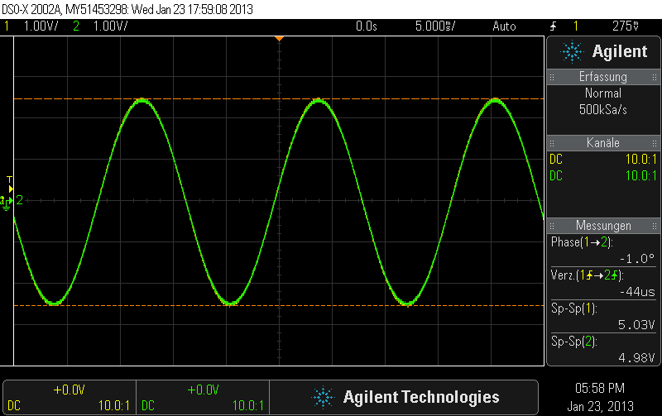
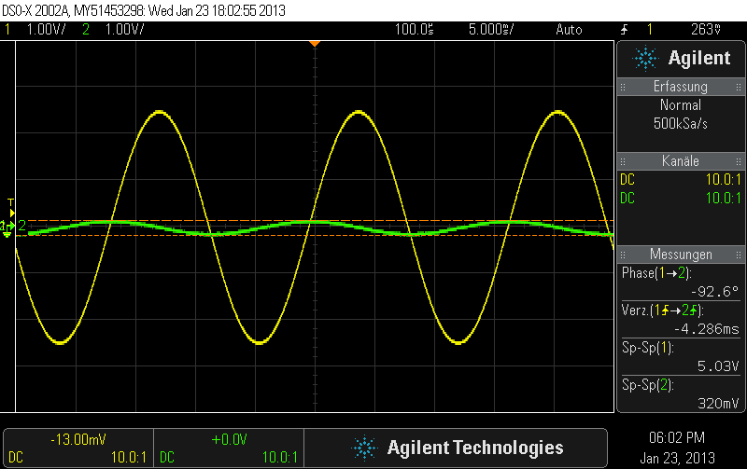
Tiefpass

Ua/Ue in [dB]

Frequenz in [HZ]

